Preparations

Sugar Cookie Base Preparation
The Cookie Dough | Ingredients | Measurements | Price (Rs) | Sugar Cookie White Glaze
 | All purpose flour | 4 Cups (480g) |  | Ingredients | Measurements | Price (Rs)
 | Salt | 3/4 tsp (4g) |  | Castor sugar /Powdered sugar | 1 cup
 | Corn Starch | 1/2 cup |  | Corn syrup | 2 tsp
 | Butter (Room temp) | 1 cup (227g) |  | vanilla extract | 1/4 tsp
 | Sugar | 1 cup (200g) |  | water | 2-3 tsp
 | Eggs (Room temp) | 2
 | Vanilla Extract | 2 tsp (10ml)
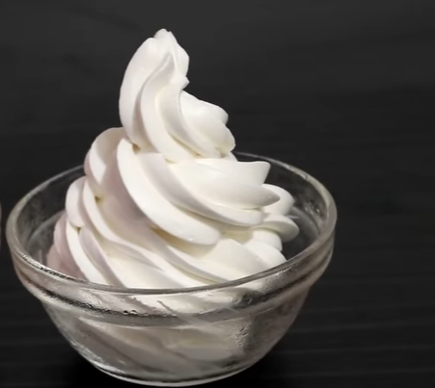
Preparation of the base |  |  |  | Sugar Cookie Whipped Cream Frosting
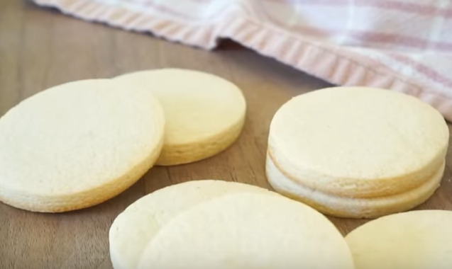
Shift flour in a bowl |  |  |  | Ingredients | Measurements | Price (Rs)
Add salt |  |  |  | Whipped cream | 1 cup
Add cornstarch |  |  |  | Icing sugar | 1/3 cup
Mix together |  |  |  | Vanilla extract | 1 tsp
Add butter |  |  |  | Preparation
Beat a little bit
Add Sugar |  |  |  | Ice cold bow, add whipped cream, beat, add icing sugar, beat
Beat until nice and fluffy |  |  |  | beat for 5 min or more until foam is created
Stop beating
Add 1 egg at a time
After nice and fluffy add the dry mixture |  |  |  | Sugar Cookie Chocolate Decorations
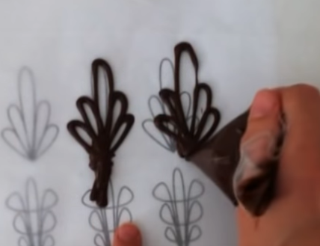
Add vanilla |  |  |  | Ingredients | Measurements | Price (Rs)
Beat until dough feels like play doh |  |  |  | Dark Chocolate
Add dough to plastic bag, flatten it an chill it either 20min or overnight |  |  |  | White chocolates
Add a little bit flour, Roll and cut out |  |  |  | Food coloring
Bake at 190 celcius i.e. (375 F) for 12min |  |  |  | Preparation

Cookie base Flavours |  |  |  | Melt chocolates and add food coloring
Chocolates - melted chocolates or cocoa |  |  |  | Perform garnishes e.g. outline designs and place on cookie
Red Velvet - red food coloring |  |  |  | Then decorate with sugar glaze
Vanilla - vanilla sticks or essence
Oreo - original oreo crushed
Almond or other nuts - almond flavours or crushed |  |  |  | Sugar Cookie Surprise
Ferrero

Raffaelo |  |  |  | cut cookies
 |  |  |  | add holes in the middle
Sugar Cookie Marble |  |  |  | place candy
Sugar Glaze |  |  |  | bake in oven until candy melts
Food coloring |  |  |  | add decorations inside
Toothpick |  |  |  | stick 2 cookie together and close

Prep: Add little drop of food coloring to white glaze and
draw with toothpick
Then dip cookie in mixture to create marble effect
Let dry completely and decorate

 |  |  |  | Tart
 |  |  |  | Tart filling | Custard, Chocolate, Cream
 |  |  |  | Tart shell
 |  |  |  | Round/ circular chocolate garnish | White, Dark etc..
 |  |  |  | Sugar glaze to decorate

